Summary
 |  |  |  | Bank Al-Falah Head Office Karachi

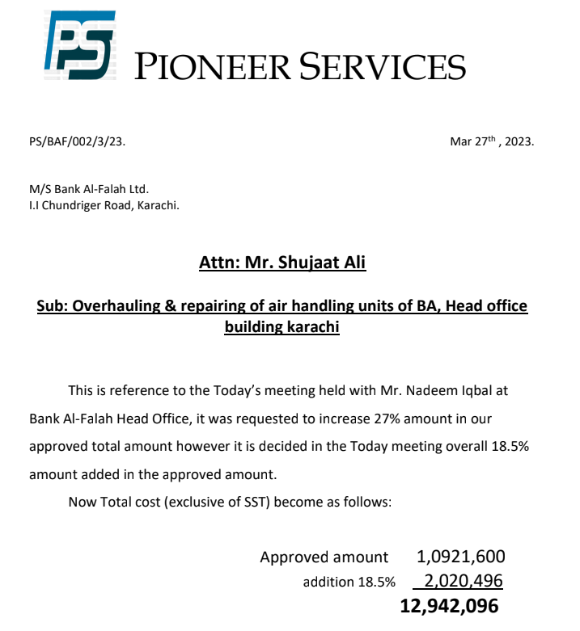
Overhauling, Repairing & Replacement |  |  |  | 7-Oct-22
of Air Handling Units

SUMMARY OF BOQ

S.No | Description | Material Amount | Labour Amount | Total Amount
i | 4th FLOOR A/B AHU UNIT | 946,500 | 345,000 | 1,291,500
ii | MEZZAINE B FLOOR AHU UNIT | 721,600 | 311,000 | 1,032,600
iii | GROUND A FLOOR AHU UNIT | 926,500 | 342,000 | 1,268,500
iv | ROOF TOP PLANT ROOM (CHILLERS) | 6,245,000 | 1,084,000 | 7,329,000

 | Sub Total Amount | 8,839,600 | 2,082,000 | 10,921,600
 | Addition 18.5% | 1,635,326 | 385,170 | 2,020,496
 | Grand Total | 10,474,926 | 2,467,170 | 12,942,096
 | SST 13% on labour | - | 320,732 | 320,732
 | Grand Total | 10,474,926 | 2,787,902 | 13,262,828

 |  |  | rec 1st payment | 5,766,743
 |  |  | rec 2nd payment | 3,517,236 | 2,020,496.0

 |  |  | Rem | 3,978,849

